Datailed Inquiry Information
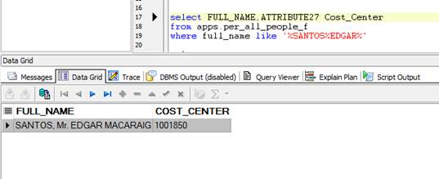
Detailed Inquiry Information

 | We have received inquiry from User that cost center of tranferred employee didn't reflect in PRAS

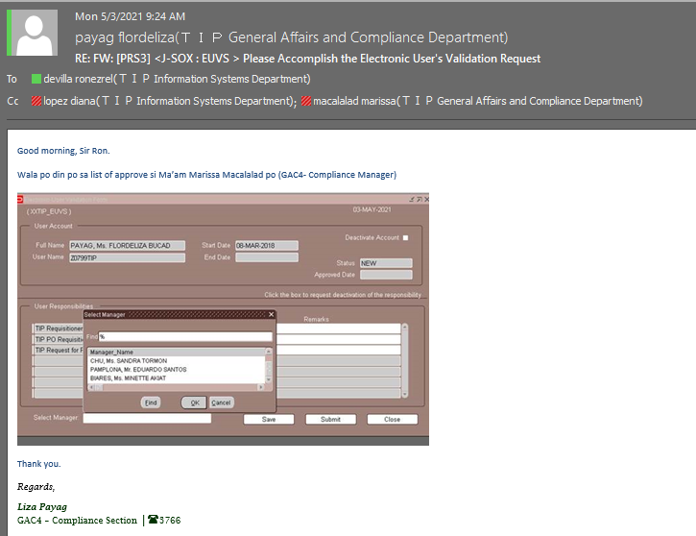

 | Per checking approvers Cost Center is not yet updated (It Should be 1001855)

Actual Operation Evidence
Actual Operation Evidence

 |  | select *
 |  | from apps.tip_employees
 |  | where employee_number in ('196H0011','196H0013','196D0014');

 | EMPLOYEE_NUMBER | LAST_NAME | FIRST_NAME | MIDDLE_NAMES | EFFECTIVE_START_DATE | SECT_CODE | BU_CODE | SEX | SSS_NUMBER | BIRTHDATE | BANK_ACCOUNT_NUMBER | BANK_CODE | EFFECTIVE_END_DATE | PROCESS_STATUS | ERROR_MESSAGE | CREATION_DATE | LAST_UPDATE_DATE | GROUP_ID | EMP_STATUS | REFERENCE_NUMBER | PERSON_ID | EMAIL_ADDRESS | SEPARATION_DATE
 | 196D0014 | SANTOS | EDGAR | MACARAIG | 1996-04-10 | 1001855 | A99 | M | 03-8668806-5 | 1965-03-20 | 8970003879 | BPI |  | 5 |  | 5/6/21 | 5/6/21 | 77642 | REGULAR | 196040014 | 18137
 | 196H0011 | CHAMBERS | BERNADETTE | LOPEZ | 1996-08-01 | 1001855 | A99 | F | 33-4125241-7 | 1974-05-20 | 5570167715 | BDO |  | 5 |  | 5/6/21 | 5/6/21 | 77642 | REGULAR | 196080011 | 18249
 | 196H0013 | MACALALAD | MARISSA | ROGELIO | 1996-08-01 | 1001855 | A99 | F | 33-3176253-5 | 1969-09-18 | 5570168029 | BDO |  | 5 |  | 5/6/21 | 5/6/21 | 77642 | REGULAR | 196080013 | 18250

 |  |  |  |  |  |  |  |  |  |  |  |  | Meaning Interface in PRAS but in PRAS still not reflected

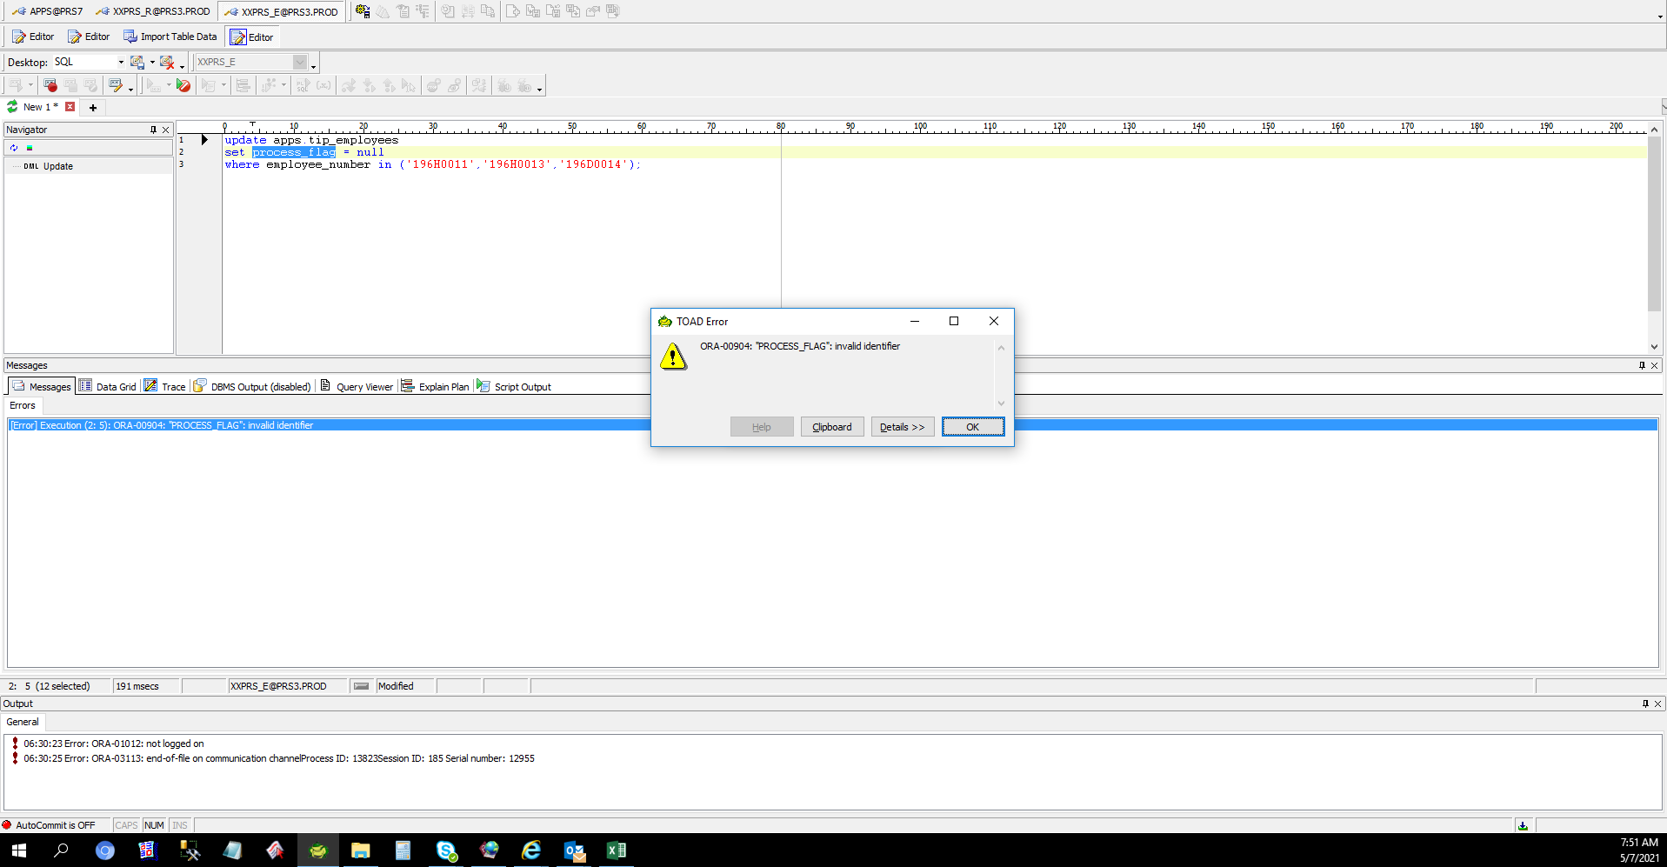

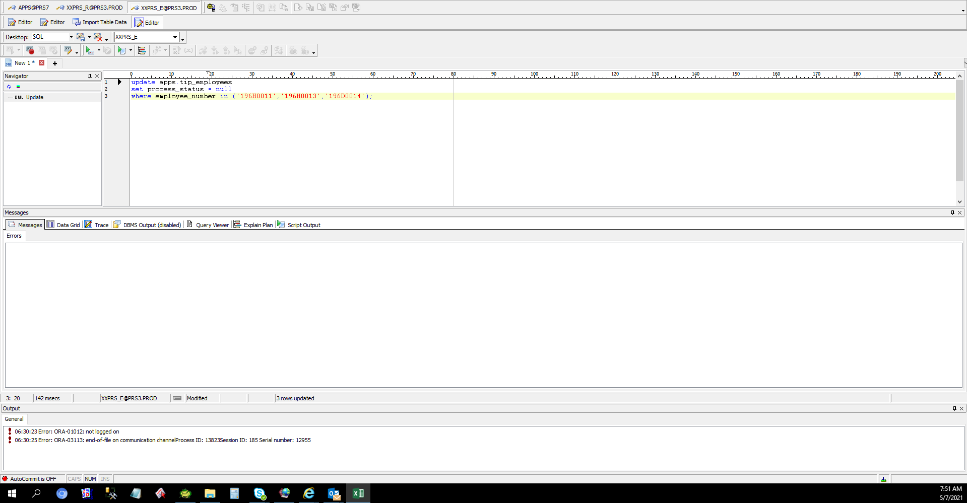

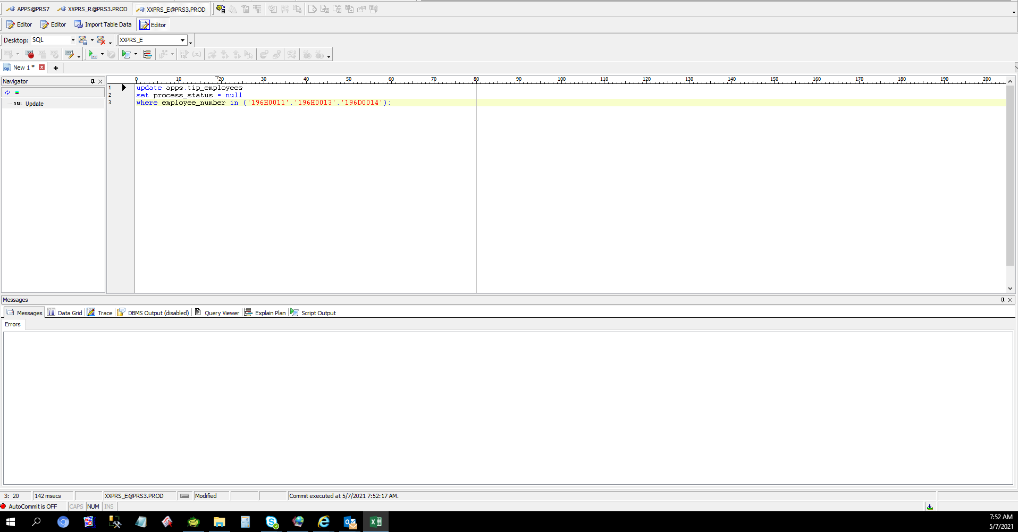

 | EXECUTE TAPSS001

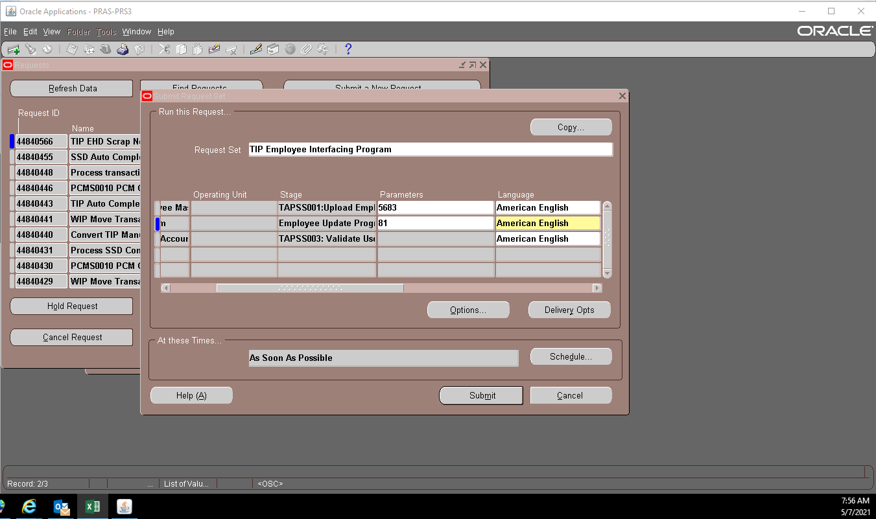

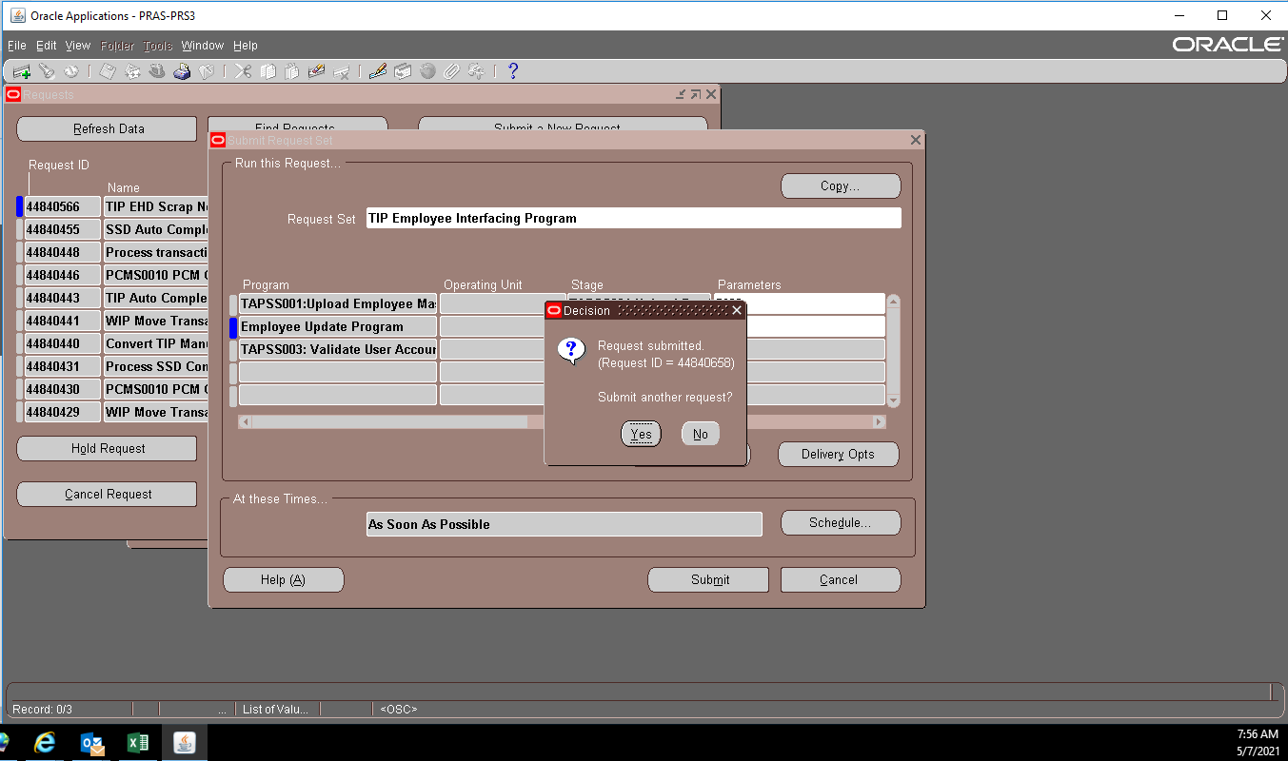

 | THEN CHECKING IN PRAS NOT YET REFLECTED

 | UPDATE AGAIN

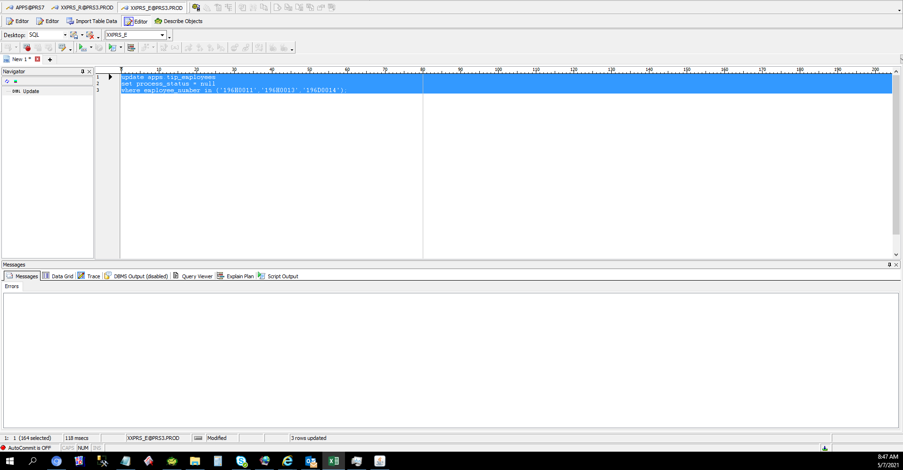

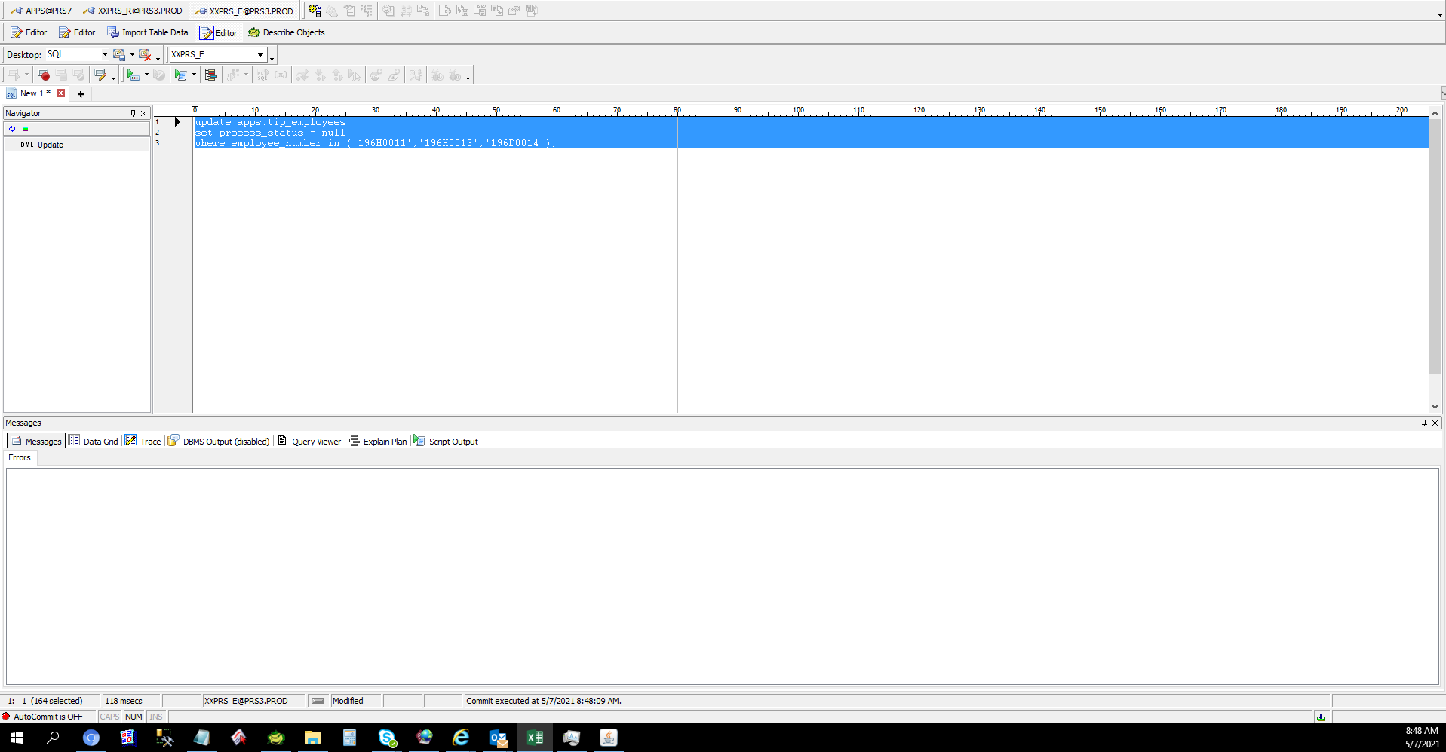

 | EXECUTE TAPSS001

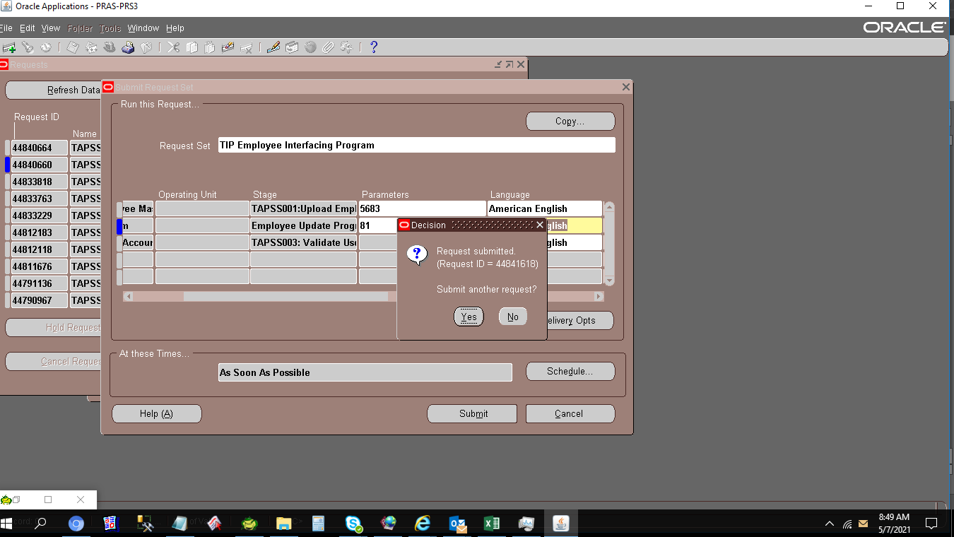

 | THEN CHECKING IN PRAS NOT YET REFLECTED

 | CHECK TAPSS001 Program

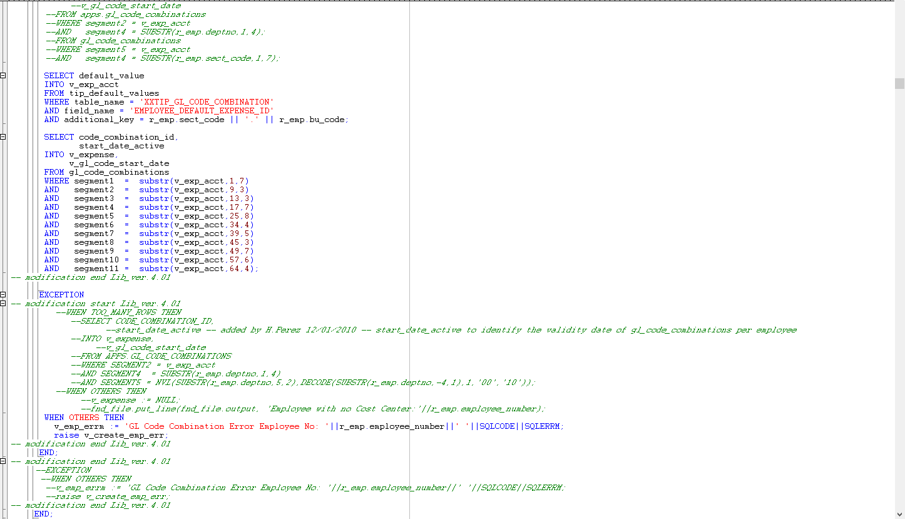

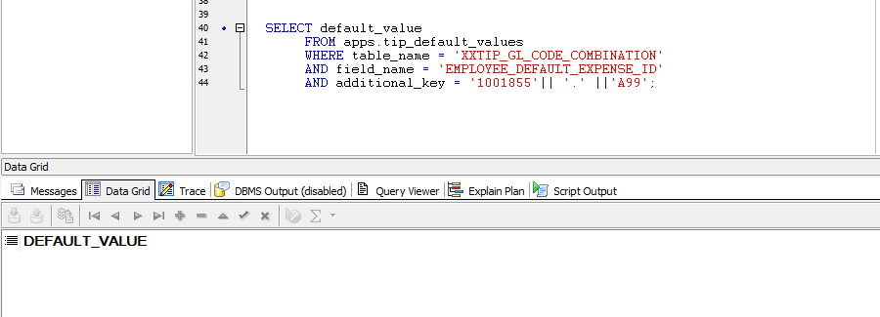

 | THEN SETUP WE SETUP IN TIP DEFAULT VALUES TRHU ADD-ON

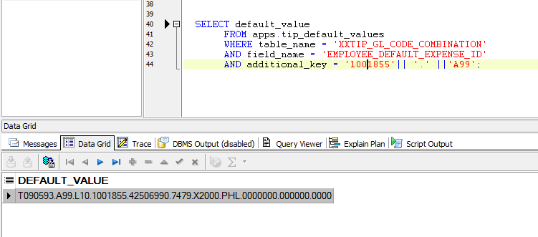

 | THEN ROLLBACK AGAIN THE TRANSACTIONS

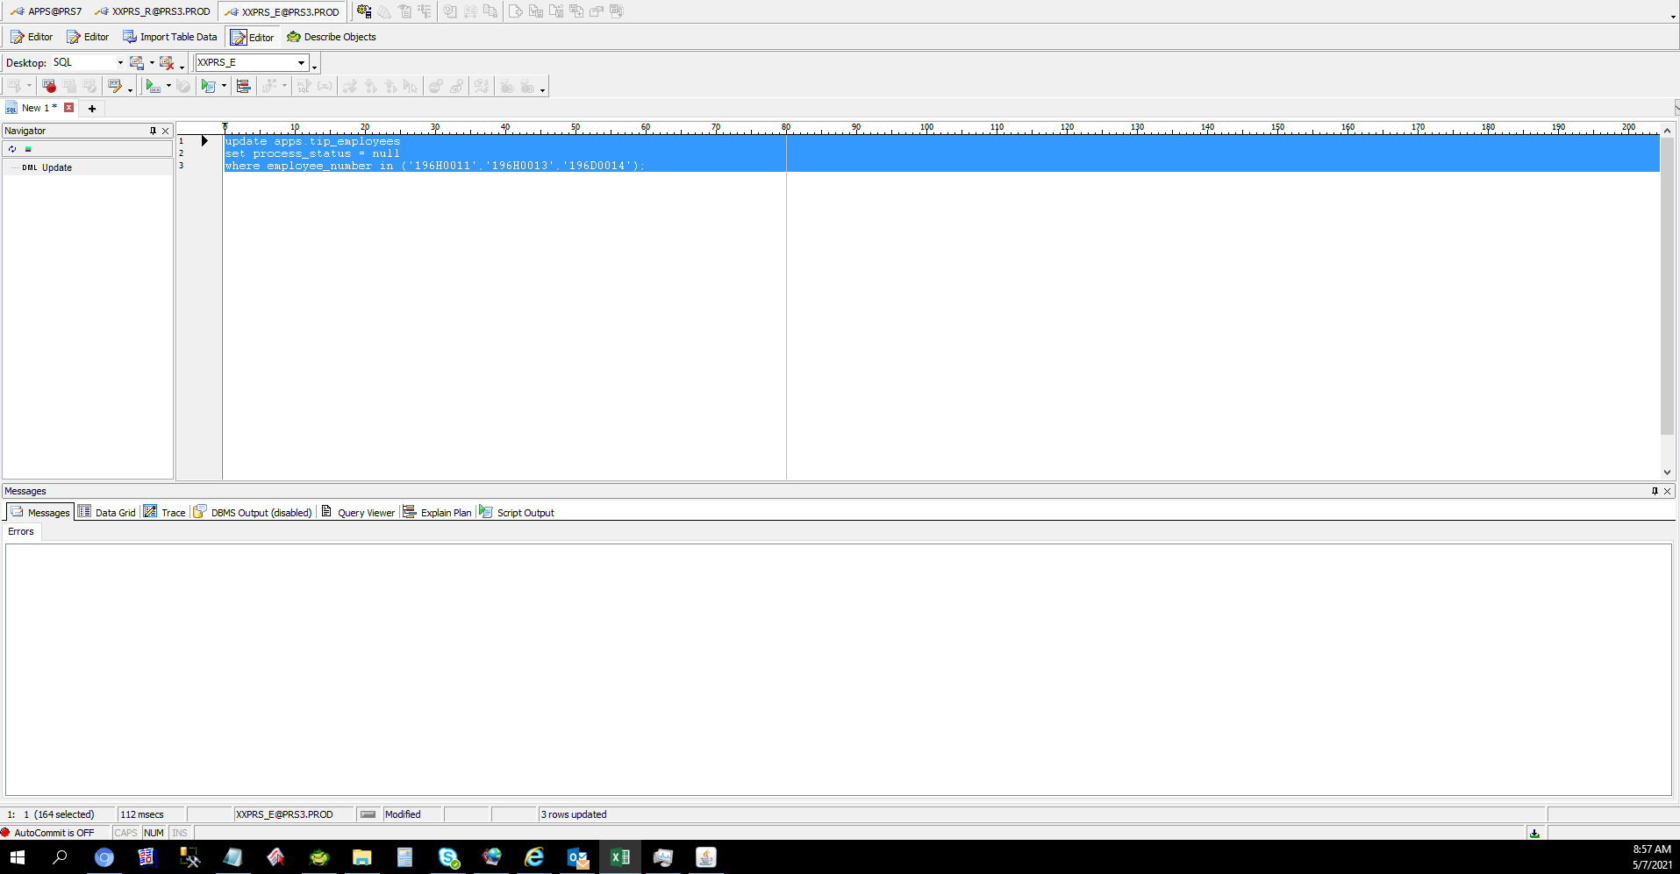



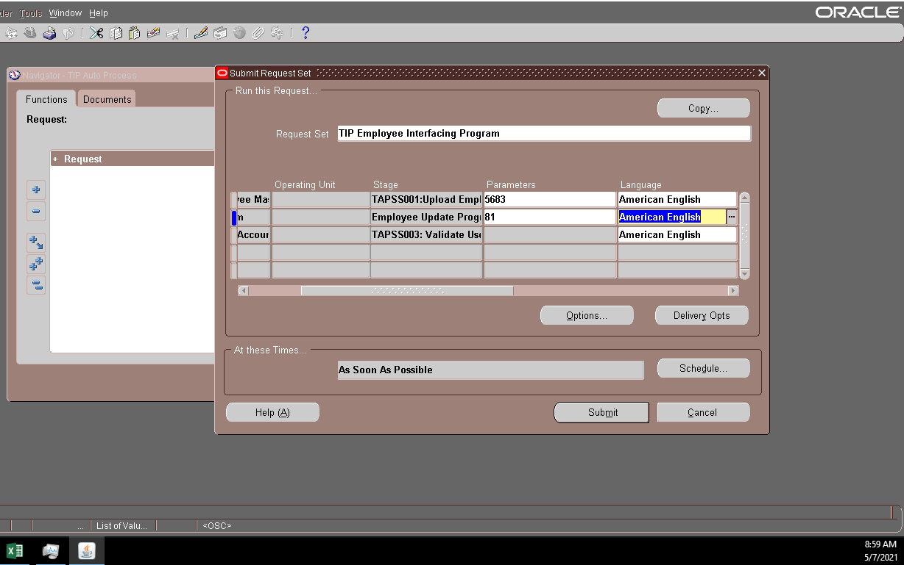

 | PER CHECKING NEW COST CENTER ALREADY REFLECTED

Helpdesk Request
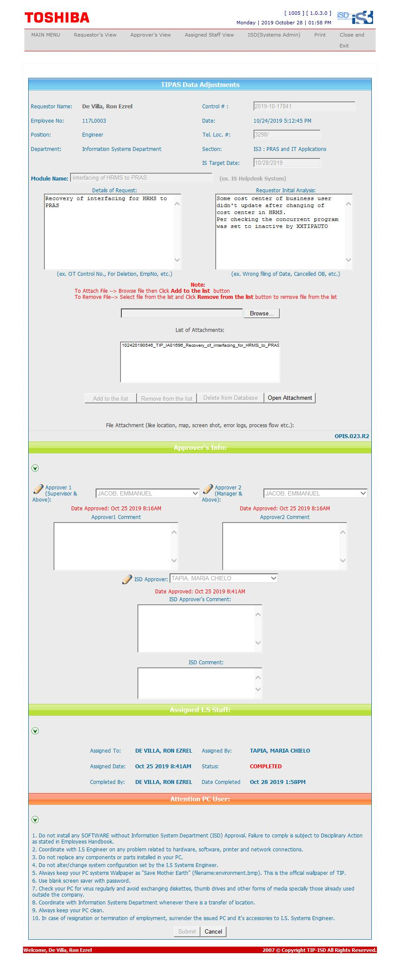
Helpdesk Request

